GSTIN
GSTIN checksum validator |  |  |  |  |  | Base | 36
GSTIN | 03AAACT1511G1Z3 |  |  |  |  |  |  |  |  |  | CODE LOGIC
 | backwards / forward |  |  |  | Quotient | MOD / Rem | Sum |  |  |  | Note : Factor is 2,then 1, then 2, 1 --- toggles
Place Value | GSTIN | Lookup Codepoint | Factor | digit_1 | Digit_2a Q | Digit_2b R | Digit 2 Q+R | vlookup |  |  | Note : read from back to front -- though it makes no diff to final value |  |  | Valid GSTIN
1 | Z | 35 | 2 | 70 | 1 | 34 | 35 | 0 | 0 | 0 | 1 | Get the numeric lookup value (0..35) corresponding to each digit of the GSTIN | 1 | 03AAACT1511G1Z3
2 | 1 | 1 | 1 | 1 | - | 1 | 1 | 1 | 1 | 1 |  | Multiply the above value by factor (either 2 or 1) | 2 | 06AAACT1511G1ZX
3 | G | 16 | 2 | 32 | - | 32 | 32 | 2 | 2 | 2 | 2 | Divide the product got above by base 36 | 3 | 07AAACT1511G1ZV
4 | 1 | 1 | 1 | 1 | - | 1 | 1 | 3 | 3 | 3 |  | If product > 36, the n quotient =1, else 0 | 4 | 09AAACT1511G1ZR
5 | 1 | 1 | 2 | 2 | - | 2 | 2 | 4 | 4 | 4 |  | Column H has the remainder | 5 | 21AAACT1511G1Z5
6 | 5 | 5 | 1 | 5 | - | 5 | 5 | 5 | 5 | 5 | 3 | Next column -- add the Quotient and the Remainder | 6 | 24AAACT1511G1ZZ
7 | 1 | 1 | 2 | 2 | - | 2 | 2 | 6 | 6 | 6 | 4 | Total up the above for all of the 14 digits (exclude the last 15th digit) | 7 | 27AAACT1511G1ZT
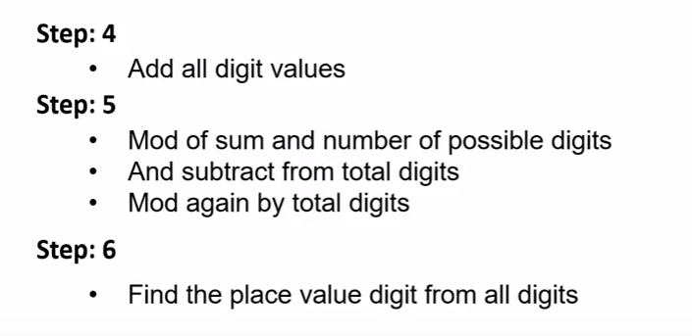
8 | T | 29 | 1 | 29 | - | 29 | 29 | 7 | 7 | 7 |  |  | 8 | 29AAACT1511G1ZP
9 | C | 12 | 2 | 24 | - | 24 | 24 | 8 | 8 | 8 |  |  | WE | 27AAAFW2972P1ZI
10 | A | 10 | 1 | 10 | - | 10 | 10 | 9 | 9 | 9
11 | A | 10 | 2 | 20 | - | 20 | 20 | A | 10 | A
12 | A | 10 | 1 | 10 | - | 10 | 10 | B | 11 | B
13 | 3 | 3 | 2 | 6 | - | 6 | 6 | C | 12 | C
14 | 0 | 0 | 1 | 0 | - | - | - | D | 13 | D
 |  |  |  |  |  |  |  | E | 14 | E | 5 | Mod of sum (cell I-20) and number of possible digits (=36)
 |  |  |  |  |  | SS | 177.00 | F | 15 | F
 |  |  |  |  |  |  |  | G | 16 | G
 |  | SS | MOD or Remainder | Base - Rem | MOD again |  |  | H | 17 | H
Chksum | 36.0 | 177.00 | 33.0 | 3.0 | 3.0 | 3 |  | I | 18 | I
 |  |  |  |  |  | 15th digit |  | J | 19 | J
 |  |  |  |  |  |  |  | K | 20 | K
 |  |  |  |  |  |  |  | L | 21 | L
 |  |  |  |  |  |  |  | M | 22 | M
 |  |  |  |  |  |  |  | N | 23 | N
 |  |  |  |  |  |  |  | O | 24 | O
 |  |  |  |  |  |  |  | P | 25 | P
 |  |  |  |  |  |  |  | Q | 26 | Q
 |  |  |  |  |  |  |  | R | 27 | R
 |  |  |  |  |  |  |  | S | 28 | S
 |  |  |  |  |  |  |  | T | 29 | T
 |  |  |  |  |  |  |  | U | 30 | U
 |  |  |  |  |  |  |  | V | 31 | V
 |  |  |  |  |  |  |  | W | 32 | W
 |  |  |  |  |  |  |  | X | 33 | X
 |  |  |  |  |  |  |  | Y | 34 | Y
 |  |  |  |  |  |  |  | Z | 35 | Z

